RAPPR GRAF
C.O.N.A.I.
PROMOTURISMOFVG | 0.0000009
ALTRI | 0.9999991
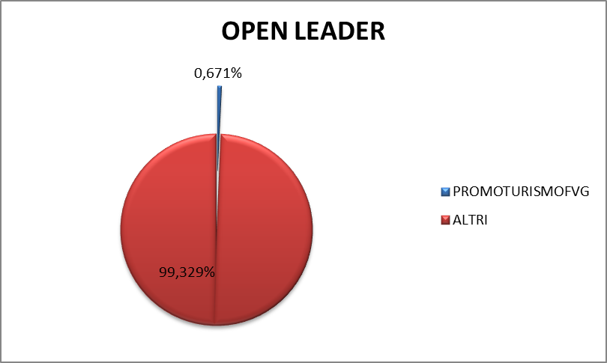

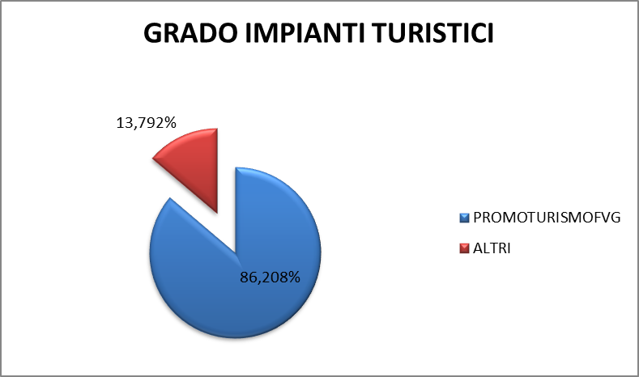
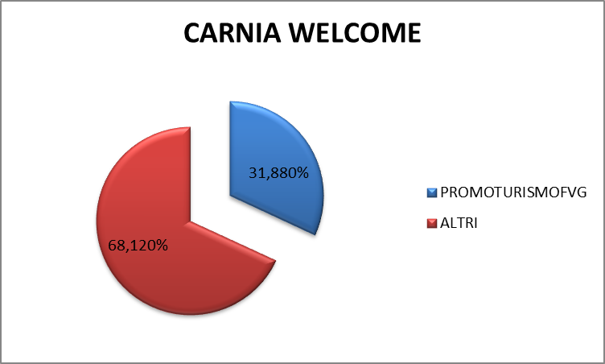

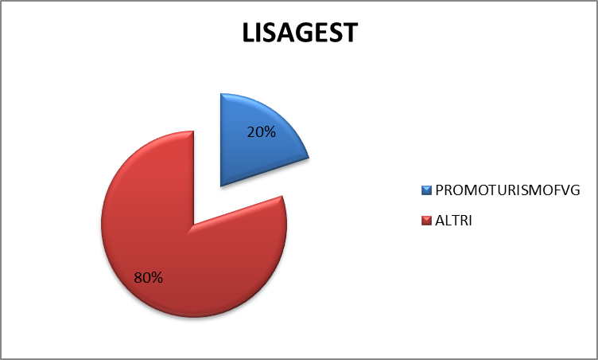
SECAB
PROMOTURISMOFVG | 0.217
ALTRI | 99.783

MIB TRIESTE SCHOOL OF MANAGEMENT
PROMOTURISMOFVG | 0.903
ALTRI | 99.097

